Test
Copy Excel Version: |  |  |  | Just type in by hand the numbers from E5 and E6 into D2 and D3.
System:

 | Excel Version: |  | 16.0
 | System: |  | pcdos

Data 1 | Data 2 | Sum |  | If you see the following, your system is probably ok. If not, then you are not using Excel, or not using the Excel provided by GCU, or not logged in using your GCU credentials. Check File → Account.
1 | 6 | 7
2 | 5 | 7
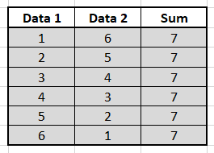
3 | 4 | 7
Are these the same?
4 | 3 | 7
5 | 2 | 7
6 | 1 | 7

